1. Title Page
[Instacart Customer Analysis]

Project Name: Instacart Customer Analysis
Date: 5/30/23
Analyst Name: Jessie Yang

Contents:
Population Flow
Consistency checks
Wrangling steps
Column derivations
Visualizations
Recommendations

2. Population Flow
Title page

Population flow

Exclusion flag
Condition: max_order < 5
Obervations to be removed: 1,440,295
Final total count of order_products_all: 30,964,564

Orders_products_combined
Orders_products_merged
Orders_products_all

Total: 32,404,859
Total: 32,434,489
Total: 32,404,859

1.) The grey boxes in the first row of the population flow represent the original data sets as they were when you downloaded them. In the Total fields you need to add the count of the rows when you imported the data set into Jupyter.
2.) The second row of boxes (coloured) represents the data sets after you manipulated them, e.g., removed missing values and duplicates. In the Total fields you need to add the count of the rows after conducting these operations. This offers a visual oveview of how the data flows throughout the data consistency checks.
3.) The third row, where also the arrows are coloured, represents the merges you performed between the datasets. In the Total fields you need to add the count of the rows in the merged datasets, so that you end up with the final dataset (in the red box). Keep in mind the final dataset should be without exclusions (based on the exclusion flag).
 | .

3. Consistency checks
 |  |  |  | Title page
Consistency checks

Dataset | Missing values | Missing values treatment | Duplicates
orders | 206,209 missing values in 'days_since_prior_order' column | Replaced missing values with '0' | None
products | 16 missing values in 'product_name' | Dropped missing values | 5 duplicates found and dropped
orders_products_prior | None | None | None
customers | None | None | None

4. Wrangling steps
 |  |  |  | Title page
Wrangling steps

Columns dropped | Columns renamed | Columns' type changed | Comment/Reason
"eval_set" from orders.csv |  |  | it was a prior data set released by Instacart.
 | "order_dow" from orders.csv |  | "dow" is not self-explanatory; changed column name to "orders_day_of_week"
 |  | "order_id" from orders.csv | changed to string to optimize calculations, like describe()
 |  | "user_id" from orders.csv | changed to string to optimize calculations, like describe()
"First Name" from customers.csv |  |  | Not needed in the analysis and would case PII issues.
"Surnam" from customers.csv |  |  | Not needed in the analysis and would cause PII issues.
 | "Gender" from orders.csv |  | Changed to "gender" to follow the lowercase convention
 | "STATE" from orders.csv |  | Changed to "state" for uniformity
 | "Age" from orders.csv |  | Changed to "age" for uniformity
 | "n_dependants" from orders.csv |  | Changed to "number_of_dependants" for clarity
 | "fam_status" from orders.csv |  | Changed to "family_status" for clarity

5. Column derivations
 |  |  |  |  |  | Title page

Column derivations and aggregations
In this tab you should add tables below that the frequences of flags/label variables that you produced after deriving them. NB: don't do this for continuous variables, only for flags.

Dataset | New column | Column/s it was derived from | Conditions | Frequency (# of rows) | Frequency (%)
orders_products_busy.pkl | "price_range" | "prices" | price in [0,5]: "Low-range product"
 |  |  | price in (5,15]: "Mid-range product"
 |  |  | price > 15: "High-range product"

orders_products_busy.pkl | "busiest_day" | "orders_day_of_week" | if day 0 (Sat.), "Busiest day"
 |  |  | if day 4 (Wed.), "Least busy"
 |  |  | otherwise, "Regularly busy"

orders_products_busy.pkl | "busiest_days" | "orders_day_of_week" | if day 0 or 1 (Sat. or Sun.), "Busiest"
 |  |  | if day 3 or 4 (Wed. or Thurs.), "Least busy"
 |  |  | otherwise, "Regularly busy"

orders_products_busy.pkl | "busiest period of day" | "order_hour_of_day" | 9am-4pm: "Most orders"
 |  |  | 11pm-6am: "Fewest orders"
 |  |  | otherwise: "Average orders"

orders_products_agg.pkl | "max_order" | "order_number" | displays total number of orders each customer has made

orders_products_agg.pkl | "loyalty_flag" | "max_order" | max_order > 40: "Loyal customer"
 |  |  | 10 < max_order <= 40: "Regular customer"
 |  |  | max_order <= 10: "New customer"

orders_products_agg.pkl | "avg_price" | "prices" | displays mean price of items purchased by each user

orders_products_agg.pkl | "spending_flag" | "avg_price" | avg_price < 10: "Low spender"
 |  |  | avg_price >= 10: "High spender"

orders_products_agg.pkl | "median_days_since_prior_order" | "days_since_prior_order" | displays median number of days each user takes between orders

orders_products_agg.pkl | "order_frequency_flag" | "median_days_since_prior_order" | median > 20: "Non-frequent customer"
 |  |  | 10 < median <= 20: "Regular customer"
 |  |  | median <= 10: "Frequent customer"

orders_products_all.pkl | "region" | "state" | "midwest"
 |  |  | "northeast"
 |  |  | "south"
 |  |  | "west"

orders_products_all.pkl | "low_order_flag" | "max_order" | max_order < 5: "Low-activity customer"
 |  |  | max_order >= 5: "High-activity customer"

orders_products_final.pkl | "age_profile" | "age" | age <= 35: "Young"
 |  |  | 35 < age < 65: "Middle-aged"
 |  |  | age >= 65: "Senior"

orders_products_final.pkl | "income_profile" | "income" | income < 40000: "low income"
 |  |  | 40000 <= income < 100000: "middle income"
 |  |  | income >= 100000: "high income"

orders_products_final.pkl | "diet_profile" | "department_id" | if the customer has 0 orders from department_id=12 (meat), they are labelled as "Vegetarian", if they have 0 orders from department 12 and department_id=16 (dairy), they are "Vegan." Otherwise, they are a "Meat-consumer"

6. Visualizations
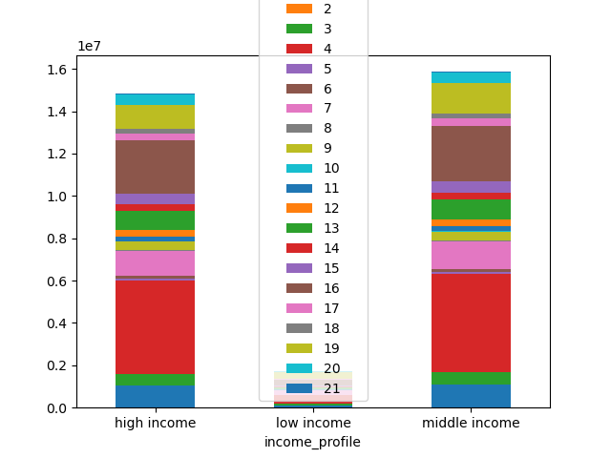
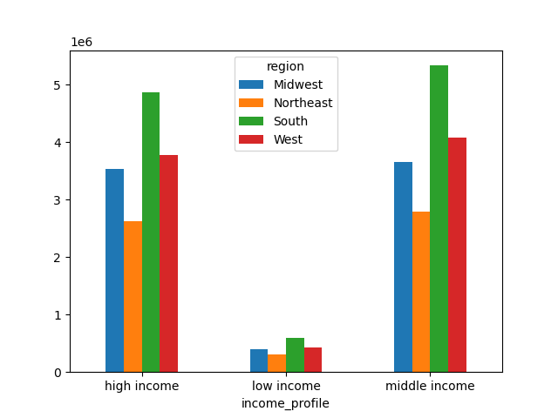
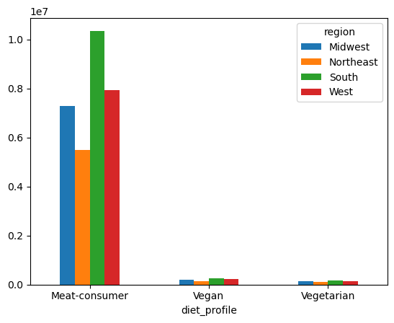
 |  |  | Title page

Visualisations

In this tab you should include all the visualtions from Exercises 4.9 and 4.10, alongside the questions from the project brief that they answer. Include any commentary on the relationship between different variables.

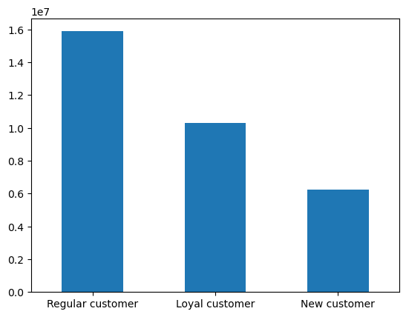
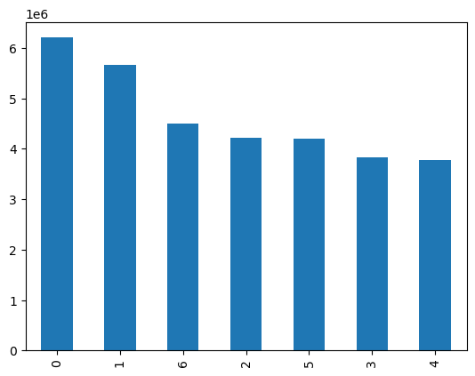
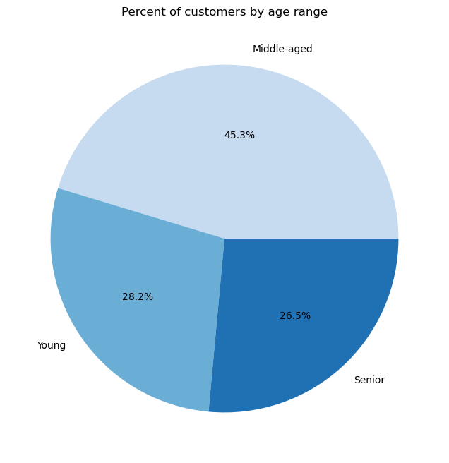
 |  |  |  | What’s the distribution amongst users in regards to brand loyalty |  |  |  | Is there a connection between age and family status in terms of ordering habits? |  |  | What are the most popular products?
What are the busiest days of the week? |  |  |  |  |  |  |  | There is no evident pattern/correlation
 |  |  |  |  |  |  |  | between age and family status. |  |  |  |  | Prices histogram
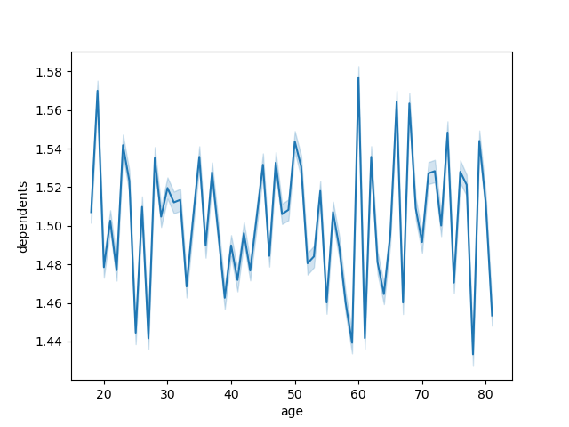


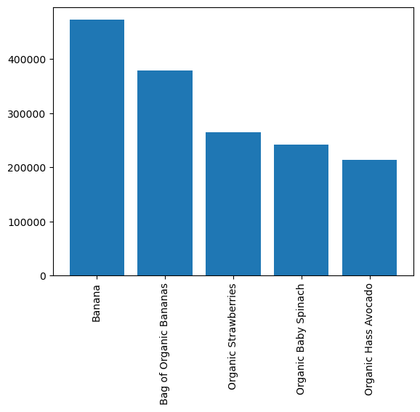

 |  |  |  |  |  | The most customers are regular customers, after that, loyal customers.
 |  | 0: Saturday |  |  |  | New customers make up the least amount of customers.
 |  | 1: Sunday |  |  |  |  |  |  |  |  |  | The most popular products are
 |  | 6: Friday |  |  |  |  |  |  |  |  |  | 1. Banana
 |  | 2: Monday |  |  |  |  |  |  |  |  |  | 2. Bag of Organic Bananas
 |  | 5: Thursday |  |  |  |  |  |  |  |  |  | 3. Organic Strawberries
 |  | 6: Friday |  |  |  |  |  |  |  |  |  | 4. Organic Baby Spnach
 |  |  |  |  |  |  |  |  |  |  |  | 5. Organic Hass Avocado

 |  |  |  | Are there differences in ordering habits based on loyalty status?

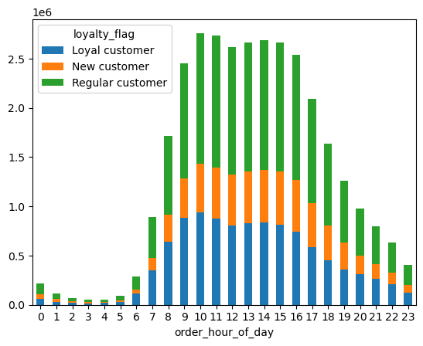
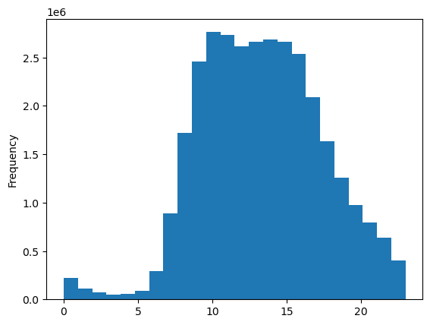
What are the busiest hours of the day?
The busiest period of the day is between 10 and 3pm
 |  |  |  |  |  |  |  | Correlation between prices and order day of the week
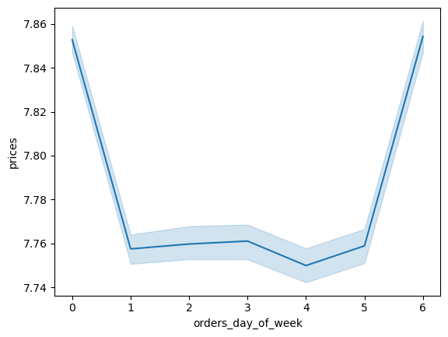
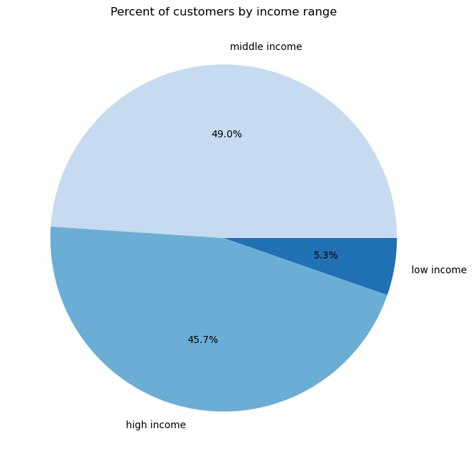

 |  |  |  |  |  | There's not much of a difference in ordering habits
 |  |  |  |  |  | in terms of what hour of day cusstomers order. You can see
 |  |  |  |  |  | in the graph that there is a general trend shared by all three
 |  |  |  |  |  | loyalty groups.

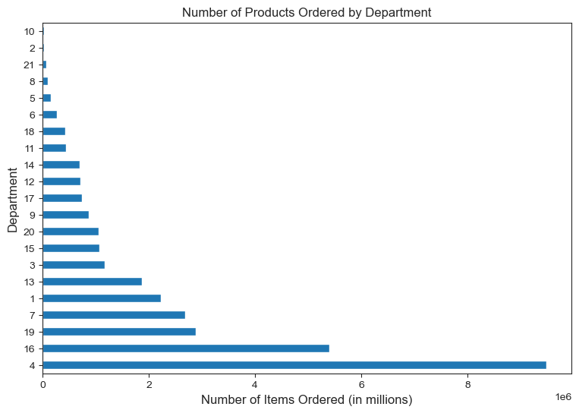


What times of day do people spend the most money? |  |  |  | Are there differences in ordering habits based on a customer's region?
Prices are highest before 5am |  |  |  |  |  |  |  | Correlation between age and income
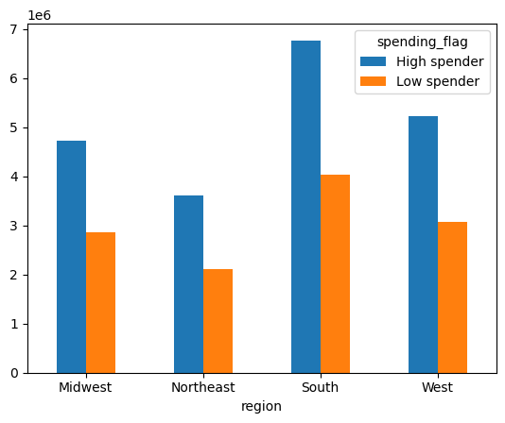
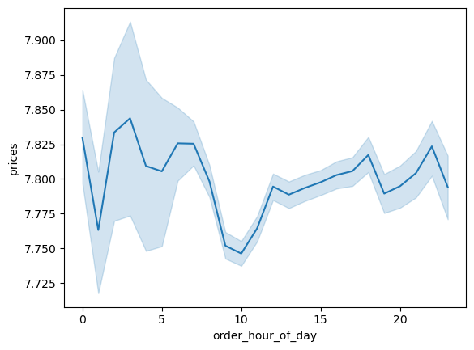

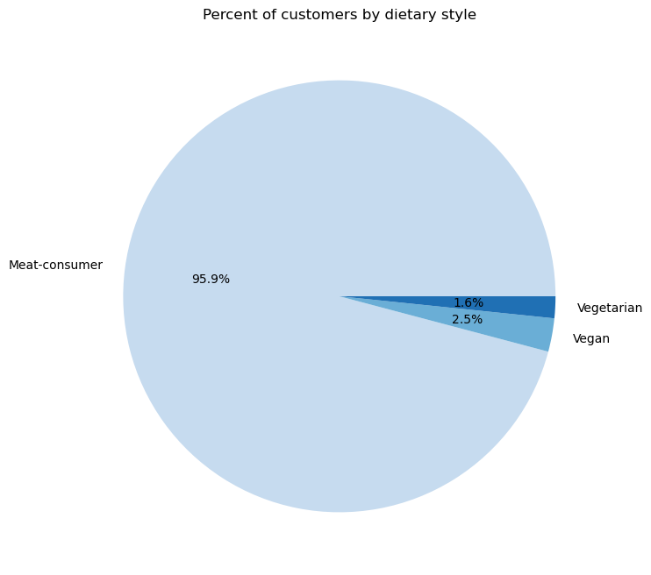

What differences can you find in ordering habits of different customer profiles?

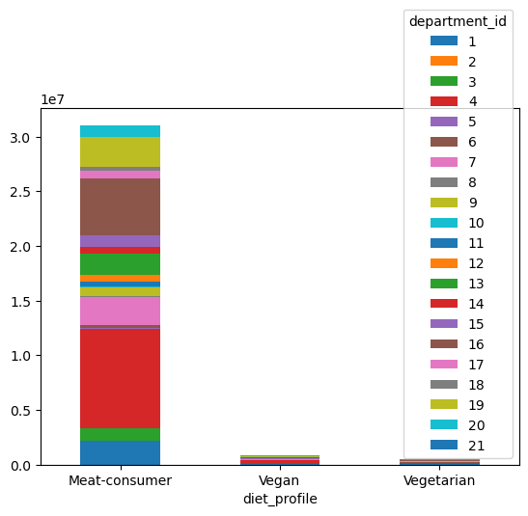
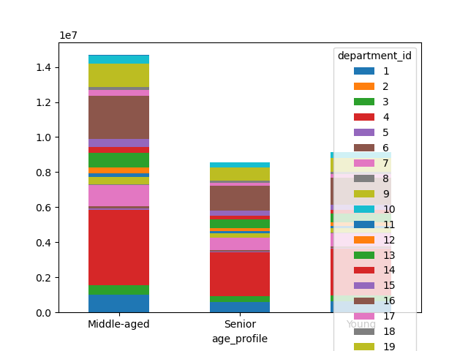
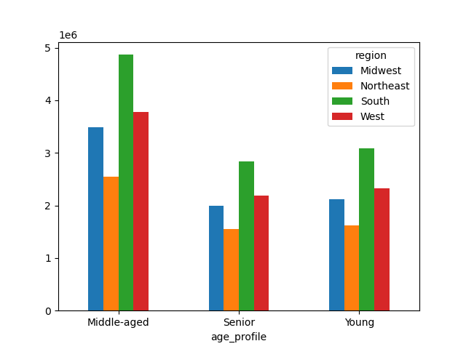
 | Age profile and geographical region |  |  |  |  |  |  |  | Diet and region: | Diet and department
Age profile by department_id: | Across all ages the regions with most customers are ordered as follows: |  |  |  |  |  | Income and region |  | Meat consumers are the largest group by far
Shows department 4 and 6 are the most popular. | South, west, midwest, and northeast |  |  |  | Income and department |  | Most customers fall into high or middle income.

7. Recommendations
 |  |  |  |  |  | Title page

Recommendations

In this tab you should include any recommendations you would made to Instcart in terms of their marketing strategy based on the questions posed in the brief. Every key question has been covered in the Tasks of the Exercises - here you need to add an item - a visualisation or table/crosstable that is showing the answer in the data, acompanied by a comment from you. Please, list the questions below and add the answer underneath.

Question |  | Answer
Key Question 1
Key Question 2
Key Question 3
Key Question 4
Key Question 5
Key Question 6
Key Question 7

Key Question 1: What are the busiest days of the week and busiest hours of the day? |  |  |  | The busiest period of the day is between 10 and 3pm

0: Saturday
1: Sunday
6: Friday
2: Monday
5: Thursday
6: Friday

Key Question 2: What are the times of the day when people spend the most money?

 | Customers buy more expensive items in the morning

Key Question 3: Are there certain types of products that are more popular than others?

 | Produce is most popular

Key Question 4: What's the distribution amongst users in regards to their brand loyalty?

The largest group is regular customers, after that, loyal customers, then, new customers.

Key Question 5: Are there differences in ordering habits based on a customer's loyalty status?

 | Regular customers order the most items, but there is no noticeable difference in ordering habits

Key Question 6: Are there differences in ordering habits based on a customer's region?

The south and the west have the most orders across all profiles

Key Question 7: Is there a connection between age and family status based on ordering habits?

 |  |  | There is no relationship between age and number of dependents.

Key Question 8: What different classifications does the demographic information suggest? Age? Income? Certain types of goods? Family status?

Key Question 9: What differences can you find in ordering habits of different customer profiles? Consideer the price of orders, the frequency of orders, the products customers are ordering,

 | Age profile |  | Income profile |  | Diet profile

